1. istio kiali 설치
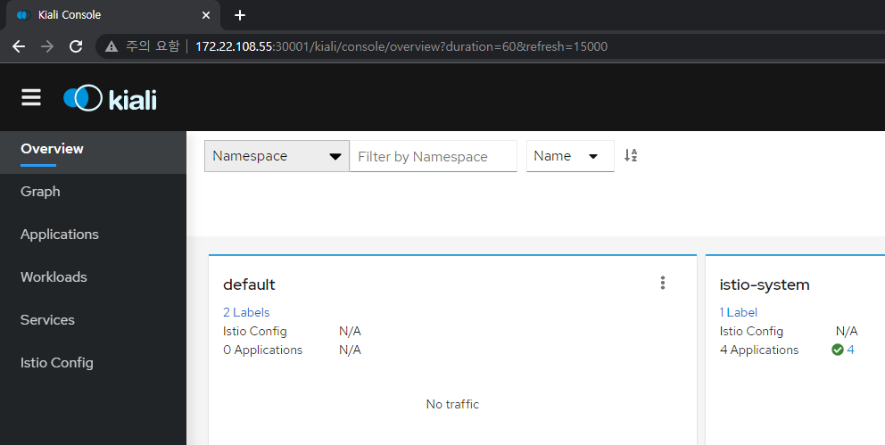
학습 자료 : https://velog.io/@sjoh0704/What-Is-Istio-Service-Mesh
▶ windows 용 istio download
https://github.com/istio/istio/releases

▶ C:\Program Files\Kubernetes\istio-1.13.3 에 압축해제

▶ C:\Program Files\Kubernetes\istio-1.13.3\bin 환경변수 등록
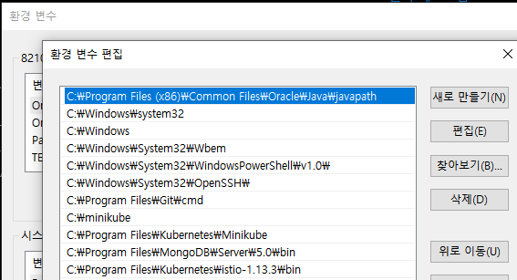

▶ 설치 확인
istioctl --help

▶ istio control plane 설치
istioctl install
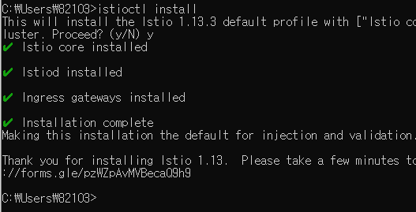

▶ istio component 확인
Kubectl get pod –n istio-system

▶ Istio Automation Injection (자동으로 프록시 컨테이너를 injection 해주는 방법,
namespace 에 labeling 해주면 pod 생성 시 자동으로 proxy 생성
kubectl label namespaces default istio-injection=enabled

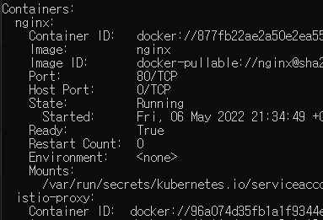

▶ Injection TEST
- nginx deployment 생성하기
kubectl create deploy nginx –image nginx –port=80

2개인 이유는 istio-proxy 컨테이너가 같이 생성되어
injection 되기 때문에

▶ prometheus 설치 (매트릭 수집)
kubectl apply -f https://raw.githubusercontent.com/istio/istio/release-1.11/samples/addons/prometheus.yaml

▶ kiali 설치
kubectl apply -f https://raw.githubusercontent.com/istio/istio/release-1.11/samples/addons/kiali.yaml

▶ kiali/prometheus 설치 확인
kubectl get po -n istio-system

▶ kiali 서비스를 nodeport 타입으로 변경
kubectl get service -n istio-system

kubectl edit service kiali –n istio-system
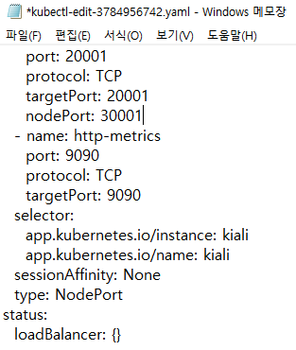

30001

▶ kiali console 접속 test
http://172.22.108.55:30001/

2. kiali 모니터링 실습
▶ kiali dashborad 모니터링
테스트 형상
kubectl apply -f Istio-demo/no_istio/application.yaml

kiali 접속
http://172.22.102.238:30001/

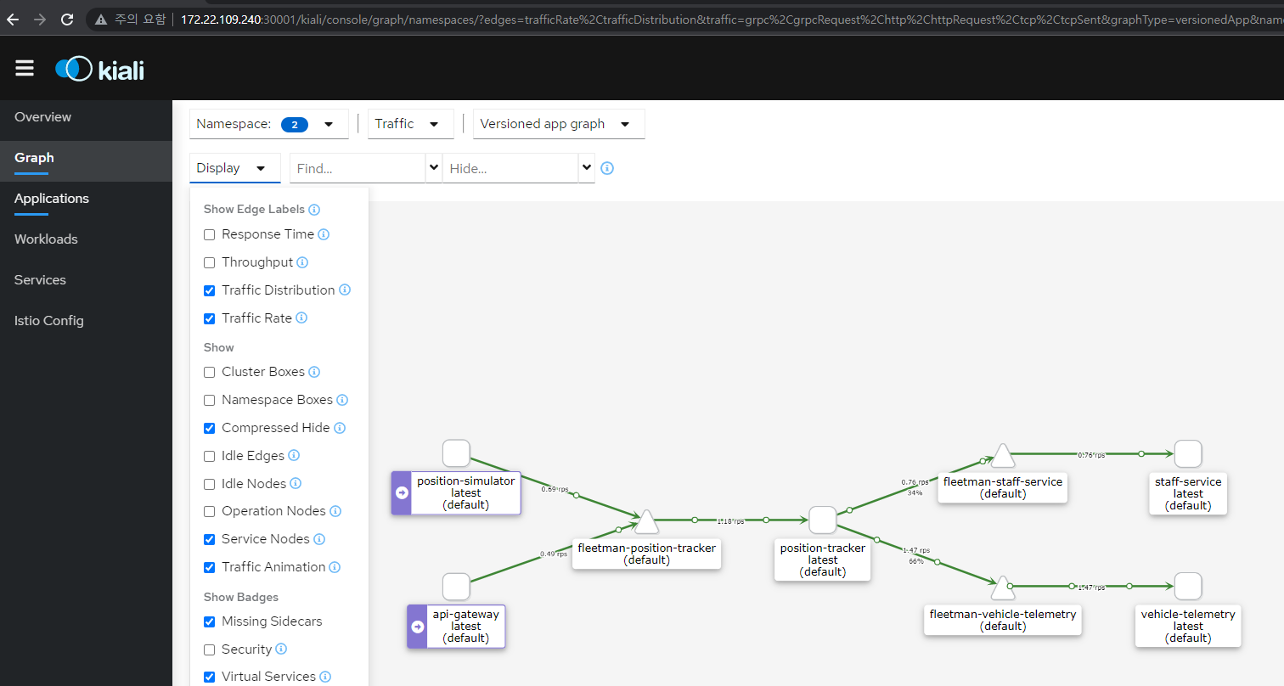

완료 후 삭제
kubectl delete -f Istio-demo/no_istio/application.yaml

3. canary 배포
▶ 형상 배포 | cpu core 모자라면 "minikube set cpus 3" 새로 셋팅 필요
테스트 형상
kubectl apply -f Istio-demo/canary/application.yaml

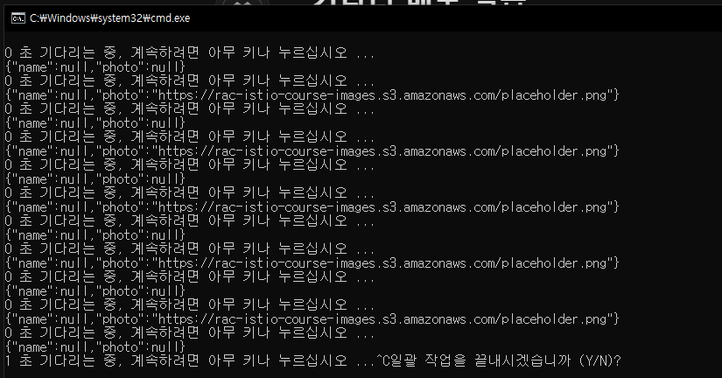
▶ request 호출 테스트
staff-service, staff-service-risky 번갈아 가면서 호출(50:50)
 |  | test bat 파일 작성
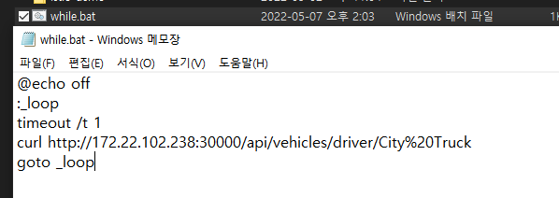

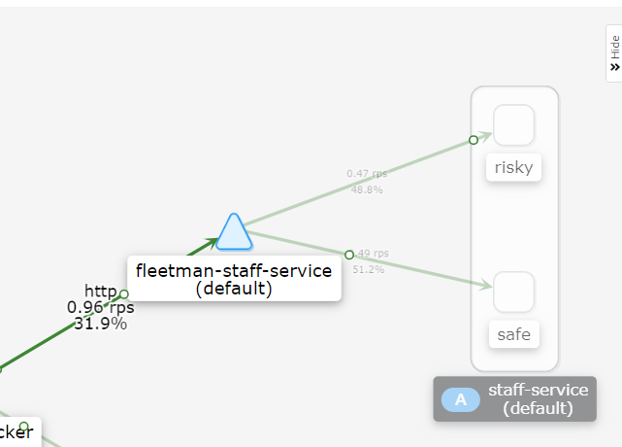

50:50 설정이 없으면 Round Robin

kind: VirtualService
apiVersion: networking.istio.io/v1alpha3
metadata:
name: a-set-of-routing-rules-we-can-call-this-anything # "just" a name for this virtualservice
namespace: default
spec:
hosts:
- fleetman-staff-service.default.svc.cluster.local # The Service DNS (ie the regular K8S Service) name that we're applying routing rules to.
http:
- route:
- destination:
host: fleetman-staff-service.default.svc.cluster.local # The Target DNS name
subset: safe-group # The name defined in the DestinationRule
weight: 90
- destination:
host: fleetman-staff-service.default.svc.cluster.local # The Target DNS name
subset: risky-group # The name defined in the DestinationRule
weight: 10
kind: DestinationRule # Defining which pods should be part of each subset
apiVersion: networking.istio.io/v1alpha3
metadata:
name: grouping-rules-for-our-photograph-canary-release # This can be anything you like.
namespace: default
spec:
host: fleetman-staff-service # Service
subsets:
- labels: # SELECTOR.
version: safe # find pods with label "safe"
name: safe-group
- labels:
version: risky
name: risky-group

▶canary 배포
kubectl apply -f Istio-demo/canary/canary.yaml

apiVersion: apps/v1
kind: Deployment
metadata:
name: staff-service
spec:
selector:
matchLabels:
app: staff-service
replicas: 1
template: # template for the pods
metadata:
labels:
app: staff-service
version: safe
spec:
containers:
- image: richardchesterwood/istio-fleetman-staff-service:6-placeholder
name: staff-service
env:
- name: SPRING_PROFILES_ACTIVE
value: production-microservice
imagePullPolicy: Always
ports:
- containerPort: 8080
▶ request 호출 테스트
staff-service, staff-service-risky 번갈아 가면서 호출(90:10)
apiVersion: apps/v1
kind: Deployment
metadata:
name: staff-service-risky-version
spec:
selector:
matchLabels:
app: staff-service
replicas: 1
template: # template for the pods
metadata:
labels:
app: staff-service
version: risky
spec:
containers:
- name: staff-service
image: richardchesterwood/istio-fleetman-staff-service:6
env:
- name: SPRING_PROFILES_ACTIVE
value: production-microservice
imagePullPolicy: Always
ports:
- containerPort: 8080
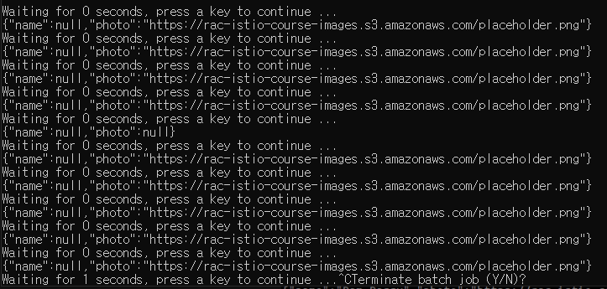

stable/risky version
selector 은 맞춰줘야한다

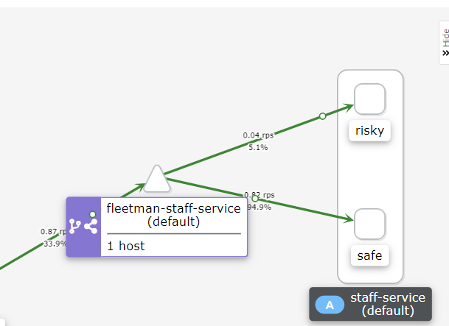

10:90 으로 변경

완료 후 삭제
kubectl delete -f Istio-demo/canary/.

4. circuit breaking
▶ 형상 배포
테스트 형상
kubectl apply -f Istio-demo/circuitbreaking/circuitbreaking.yaml

▶ request 호출 테스트
staff-service(정상), staff-service-risky(502 error 발생)
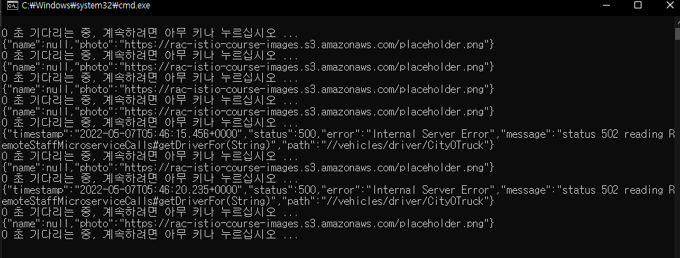

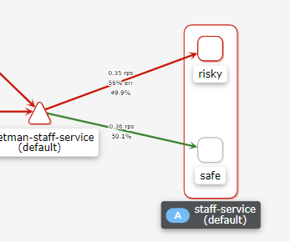

50:50 으로 error 발생

apiVersion: networking.istio.io/v1alpha3
kind: DestinationRule
metadata:
name: circuit-breaker-for-the-entire-default-namespace
spec:
host: "fleetman-staff-service.default.svc.cluster.local"
trafficPolicy:
outlierDetection: # Circuit Breakers HAVE TO BE SWITCHED ON
maxEjectionPercent: 100
consecutive5xxErrors: 2
interval: 10s
baseEjectionTime: 30s

▶ circuit breaking 적용
kubectl apply -f Istio-demo/circuitbreaking/circuitbreaking.yaml

10초동안 5xx error 가 2번이상 발생하면
100% ejection 시킨다 30초안에
▶ request 호출 테스트
staff-service(정상), staff-service-risky(502 error 발생)

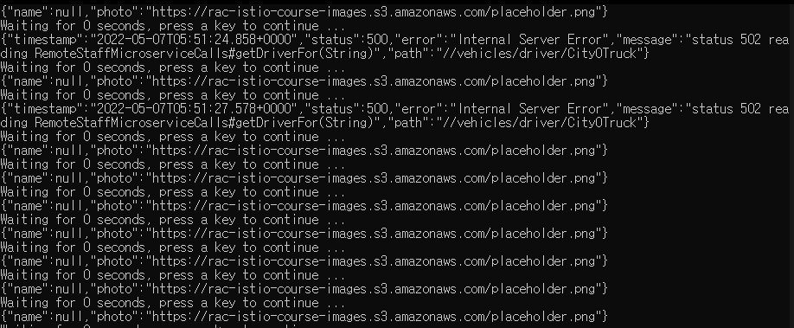

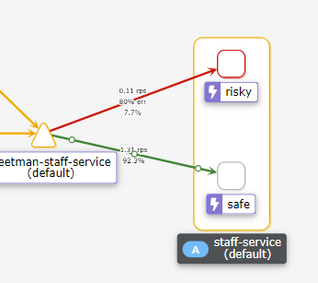
error 쪽으로 점점 request 가 덜 간다
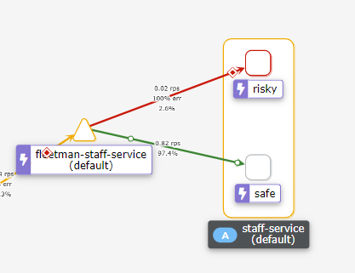
30초 후 risky 쪽으론 request 가 가지 않는다.

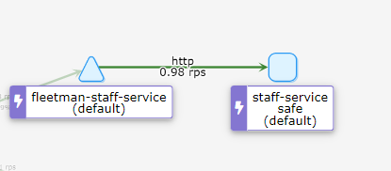

 | 완료 후 삭제
 | kubectl delete -f Istio-demo/circuitbreaking/.

application.yaml
apiVersion: v1
kind: Service
metadata:
name: fleetman-vehicle-telemetry
spec:
selector:
app: vehicle-telemetry
ports:
- name: http
port: 8080
type: ClusterIP
apiVersion: v1
kind: Service
metadata:
name: fleetman-staff-service
spec:
selector:
app: staff-service
ports:
- name: http
port: 8080
type: ClusterIP
apiVersion: v1
kind: Service
metadata:
name: fleetman-webapp
spec:
# This defines which pods are going to be represented by this Service
# The service becomes a network endpoint for either other services
# or maybe external users to connect to (eg browser)
selector:
app: webapp
ports:
- name: http
port: 80
nodePort: 30000
type: NodePort
apiVersion: v1
kind: Service
metadata:
name: fleetman-position-tracker
spec:
# This defines which pods are going to be represented by this Service
# The service becomes a network endpoint for either other services
# or maybe external users to connect to (eg browser)
selector:
app: position-tracker
ports:
- name: http
port: 8080
type: ClusterIP
apiVersion: v1
kind: Service
metadata:
name: fleetman-api-gateway
spec:
selector:
app: api-gateway
ports:
- name: http
port: 8080
type: ClusterIP

apiVersion: apps/v1
kind: Deployment
metadata:
name: position-tracker
spec:
selector:
matchLabels:
app: position-tracker
replicas: 1
template: # template for the pods
metadata:
labels:
app: position-tracker
spec:
containers:
- name: position-tracker
image: richardchesterwood/istio-fleetman-position-tracker:6
env:
- name: SPRING_PROFILES_ACTIVE
value: production-microservice
command: ["java","-Xmx50m","-jar","webapp.jar"]
imagePullPolicy: Always
apiVersion: apps/v1
kind: Deployment
metadata:
name: webapp
spec:
selector:
matchLabels:
app: webapp
replicas: 1
template: # template for the pods
metadata:
labels:
app: webapp
spec:
containers:
- name: webapp
image: richardchesterwood/istio-fleetman-webapp-angular:6
env:
- name: SPRING_PROFILES_ACTIVE
value: production-microservice
imagePullPolicy: Always
apiVersion: apps/v1
kind: Deployment
metadata:
name: vehicle-telemetry
spec:
selector:
matchLabels:
app: vehicle-telemetry
replicas: 1
template: # template for the pods
metadata:
labels:
app: vehicle-telemetry
spec:
containers:
- name: vehicle-telemtry
image: richardchesterwood/istio-fleetman-vehicle-telemetry:6
env:
- name: SPRING_PROFILES_ACTIVE
value: production-microservice
imagePullPolicy: Always
apiVersion: apps/v1
kind: Deployment
metadata:
name: api-gateway
spec:
selector:
matchLabels:
app: api-gateway
replicas: 1
template: # template for the pods
metadata:
labels:
app: api-gateway
spec:
containers:
- name: api-gateway
image: richardchesterwood/istio-fleetman-api-gateway:6
env:
- name: SPRING_PROFILES_ACTIVE
value: production-microservice
command: ["java","-Xmx50m","-jar","webapp.jar"]
imagePullPolicy: Always
apiVersion: apps/v1
kind: Deployment
metadata:
name: staff-service
spec:
selector:
matchLabels:
app: staff-service
replicas: 1
template: # template for the pods
metadata:
labels:
app: staff-service
spec:
containers:
- name: staff-service
image: richardchesterwood/istio-fleetman-staff-service:6
env:
- name: SPRING_PROFILES_ACTIVE
value: production-microservice
imagePullPolicy: Always
ports:
- containerPort: 8080
apiVersion: apps/v1
kind: Deployment
metadata:
name: position-simulator
spec:
selector:
matchLabels:
app: position-simulator
replicas: 1
template: # template for the pods
metadata:
labels:
app: position-simulator
spec:
containers:
- name: position-simulator
image: richardchesterwood/istio-fleetman-position-simulator:6
env:
- name: SPRING_PROFILES_ACTIVE
value: production-microservice
command: ["java","-Xmx50m","-jar","webapp.jar"]
imagePullPolicy: Always

